New Game, Game Rules, Avatar
 | Default names: |  |  | The player begins with $3000
 | Male | Female |  | The player's first Pokemon is a level 3 Eevee
1 | Red | Blue
2 | Green | Yellow |  | Play style:
3 | Ethan | Kris |  | Story mode | Standard gameplay
4 | Brendan | May |  | Free mode | Player begins as if the game has already been completed
5 | Lucas | Dawn |  |  | They have access to certain key items obtained during the story at the beginning of the game (such as the Coin Case, Ore Sack and Town Map)
6 | Hilbert | Hilda |  |  | They have access to all assistant Pokemon at the start of the game and are able to travel anywhere without restriction
7 | Nate | Rosa |  |  | Some dialog is different, such as the very beginning of the game and when talking to certain NPCs such as trial captains
8 | Calem | Serena
9 | Wes | Lyra |  | Game rules:
10 | Sun | Moon |  | Normal | Standard game mechanics
11 | Silver | Gold |  | Nuzlocke | Pokemon are erased after they faint (a number on the trainer card keeps count) and the player is returned to the title screen on whiteout
12 | Fire | Leaf |  | Hardlocke | In addition to normal Nuzlocke rules, the player can only save the game in Pokemon centres, they can only heal their Pokemon with items and their save is deleted on whiteout
13 | Ruby | Sapphire
14 | Diamond | Pearl |  | Play style cannot be altered once the game has begun. Nuzlocke can only be turned once the game has begun by speaking to Kukui's aide. Hardlocke can be turned off or changed to Nuzlocke rules by talking to the aide
15 | X | Y |  | Play style is set before game rules in the game intro, though they both use the same byte in RAM
16 | Soul | Heart |  | If play style is set to story mode, the byte is unchanged. If it is set to free mode, 0x10 is added to the byte
17 | Omega | Alpha |  | The byte is unchanged if the player is playing on normal game rules, 0x1 is added if they chose nuzlocke and 0x2 is added if they chose hardlocke
18 | Emerald | Crystal |  | The resulting value can be decoded in scripts to get the player's play style (0x0 is completely normal gameplay, 0x11 is free mode/nuzlocke, 0x2 is story/hardlocke etc.)
19 | Sage | Clover |  | To check if the player is in free mode or not, check if the byte is equal to 0x10 or higher
 |  |  |  | To check what game rules the player is on, the byte must be loaded, 0x10 subtracted from it if it equals 0x10 or over and can then be compared - 0x0 for normal, 0x1 for nuzlocke and 0x2 for hardlocke
 |  |  |  | The rules and play style the player is currently on is displayed on the back of the trainer card

 |  |  |  | New game flag clearing:
 |  |  |  | The flags freed up by the save block recycle are not cleared on when a new game is begun. In addition, some bytes need to be set to a certain value when the game is started (such as the clock)
 |  |  |  | The picture below describes how to modify the routine that clears Pokedex flags when a new game is begun to clear the new flags in RAM when the dex is expanded

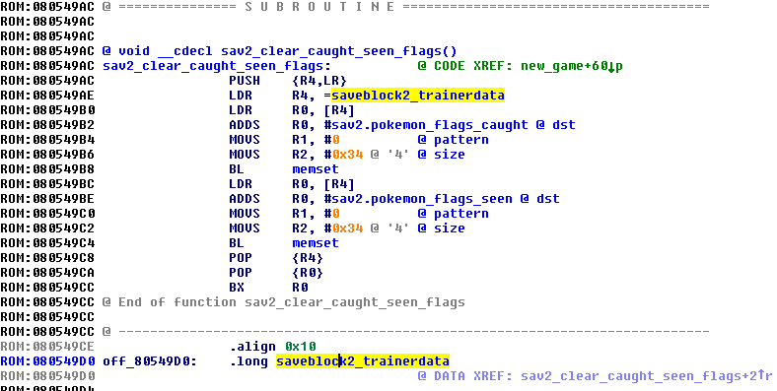
 |  |  |  | This doesn't just apply to dex flags - it can be modified to clear all the RAM flags in the recycled save block. Furthermore, specific values can be written to the RAM after it has been cleared for the clock, etc.
 |  |  |  | Flags from between 0x0203C000 to 0x0203CEC4 need to be cleared - this means the process must be re-written

 |  |  |  | This is the vanilla function in IDA

 |  |  |  | Skin Tone | Color 1 | Color 2 | Outfit Style | START MENU CLOCK
 |  |  | 0 | Pale | Charcoal | Grey | Alola | 8AM - Tuesday - late Spring
 |  |  | 1 | Fair | Navy | Blue | Kanto | The weather is pleasant.
 |  |  | 2 | Tan | Teal | Turquoise | Johto
 |  |  | 3 | Dark | Viridian | Aqua | Hoenn
 |  |  | 4 |  | Khaki | Green | Sinnoh
 |  |  | 5 |  | Moss | Lime | Unova
 |  |  | 6 |  | Gold | Yellow | New Unova
 |  |  | 7 |  | Brown | Mustard | Kalos
 |  |  | 8 |  | Crimson | Orange
 |  |  | 9 |  | Maroon | Red
 |  |  | A |  | Violet | Pink
 |  |  | B |  | Grape | Mauve
 |  |  | C |  | Indigo | Lavender

 |  |  |  | DEFAULT VALUES
 |  |  |  | The game begins at 8AM on Tuesday, Late Spring
 |  |  |  | The default weather number is 4
 |  |  |  | The player will be wearing default blue clothes with their chosen skin tone

PC & TM Crafting
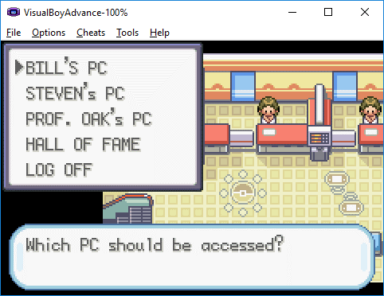

BILL'S PC - change to POKEMON STORAGE
Basically unchanged storage system

STEVEN's PC - change to ITEM STORAGE

PROF. OAK's PC - change to TM STUDIO (see below)

HALL OF FAME - unchanged

TM STUDIO
System for crafting TMs

CREATE TM
 | TM1 - TM109
 |  | HOW MANY?
 |  |  | BURNING DISCS… … … … …
 |  |  |  | PLAYER RECIEVED XX TM'S.
 |  |  |  | TM STUDIO HAS ENCOUNTERED A PROBLEM AND NEEDS TO CLOSE. WE ARE SORRY FOR THE INCONVENIENCE.
 |  |  |  |  | PLAYER RECEIVED A CORRUPTED DISC
 |  | YOU HAVE NO BLANK DISCS.
COPY TM
 | CHOOSE TM
 |  | HOW MANY?
 |  |  | BURNING DISCS… … … … …
 |  |  |  | PLAYER RECIEVED XX TM'S.
 |  |  |  | TM STUDIO HAS ENCOUNTERED A PROBLEM AND NEEDS TO CLOSE. WE ARE SORRY FOR THE INCONVENIENCE.
 |  |  |  |  | PLAYER RECEIVED A CORRUPTED DISC
 |  | YOU HAVE NO BLANK DISCS.

Clock, DNS, Seasons
 | DNS |  |  |  |  |  |  |  |  |  |  |  |  |  |  | Notes | World Event | Melemele | Akala | Ula'ula | Poni
 | The DNS works pretty much straight out of the box with this system as it only checks bytes in the RAM and doesn't load the routine itself |  |  |  |  |  |  |  |  |  |  | EARLY | Spring | Early | Monday | Palette change | Spring Festival |  |  | Swarm
 | Hours still use values 00-23 so no special mechanics need to be written |  |  |  |  |  |  |  |  |  |  |  |  |  | Tuesday |  |  |  | Bug
 |  |  |  |  |  |  |  |  |  |  |  |  |  |  | Wednesday | MARCH |  |  |  | Fishing
 |  | SPRING | SPRING | SUMMER | SUMMER | FALL | FALL | WINTER | WINTER | Time | Statusbyte |  |  |  | Thursday
 |  | Week 1 | Week 2 | Week 3 | Week 4 | Week 5 | Week 6 | Week 7 | Week 8 | Night | 0 | SPRING |  |  | Friday | Palette change | Blossom |  |  |  | Swarm
00 | 0:00:00 | Night | Night | Night | Night | Night | Night | Night | Night | Night | 1,2,3 |  |  |  | Saturday |  | Blossom | Swarm
01 | 1:00:00 | Night | Night | Night | Night | Night | Night | Night | Night | Day | 4,5,6 |  |  |  | Sunday | APRIL | Blossom |  | Swarm
02 | 2:00:00 | Night | Night | Night | Night | Night | Night | Night | Night | Day | 7,8,9 |  |  | Late | Monday |  | Blossom |  |  | Swarm
03 | 3:00:00 | Night | Night | Night | Night | Night | Night | Night | Night | Day | B,C,D |  |  |  | Tuesday | Palette change |  |  | Bug
04 | 4:00:00 | Night | Night | Night | Night | Night | Night | Night | Night | Day | A |  |  |  | Wednesday |  |  |  |  | Fishing
05 | 5:00:00 | Night | Night | Night | Night | Night | Night | Night | Night | Day | E,F,10 | LATE |  |  | Thursday | MAY
06 | 6:00:00 | Night | Night | Day | Night | Night | Night | Night | Night | Day | 11,12,13 |  |  |  | Friday |  | Alola Day |  |  |  | Swarm
07 | 7:00:00 | Night | Day | Day | Day | Night | Night | Night | Night | Night | 14,15,16 |  |  |  | Saturday | Palette change |  | Swarm |  |  |  | 23CB
08 | 8:00:00 | Day | Day | Day | Day | Day | Night | Night | Night | Night | 17,18,19 |  |  |  | Sunday |  |  |  | Swarm
09 | 9:00:00 | Day | Day | Day | Day | Day | Day | Night | Day |  |  | EARLY | Summer | Early | Monday |  |  |  |  | Swarm
0A | 10:00:00 | Day | Day | Day | Day | Day | Day | Day | Day | IN CAVE | 1E,1F,20,21,22,23,24,25,26,27,28,29 |  |  |  | Tuesday | JUNE | Fishing Season |  | Bug
0B | 11:00:00 | Day | Day | Day | Day | Day | Day | Day | Day | UNUSED | 1A,1B,1C,1D |  |  |  | Wednesday | Palette change | Fishing Season |  |  | Fishing
0C | 12:00:00 | Day | Day | Day | Day | Day | Day | Day | Day |  |  |  |  |  | Thursday |  | Fishing Season
0D | 13:00:00 | Day | Day | Day | Day | Day | Day | Day | Day |  |  | SUMMER |  |  | Friday |  |  |  |  |  | Swarm
0E | 14:00:00 | Day | Day | Day | Day | Day | Day | Day | Day |  |  |  |  |  | Saturday |  |  | Swarm
0F | 15:00:00 | Day | Day | Day | Day | Day | Day | Day | Day |  |  |  |  |  | Sunday | Palette change |  |  | Swarm
10 | 16:00:00 | Day | Day | Day | Day | Day | Day | Night | Day |  |  |  |  | Late | Monday | JULY |  |  |  | Swarm
11 | 17:00:00 | Day | Day | Day | Day | Day | Night | Night | Night |  |  |  |  |  | Tuesday |  |  |  | Bug
12 | 18:00:00 | Night | Day | Day | Day | Night | Night | Night | Night |  |  |  |  |  | Wednesday |  |  |  |  | Fishing
13 | 19:00:00 | Night | Night | Day | Night | Night | Night | Night | Night |  |  | LATE |  |  | Thursday | Palette change
14 | 20:00:00 | Night | Night | Night | Night | Night | Night | Night | Night |  |  |  |  |  | Friday | AUGUST |  |  |  |  | Swarm
15 | 21:00:00 | Night | Night | Night | Night | Night | Night | Night | Night |  |  |  |  |  | Saturday |  | Battle Season | Swarm
16 | 22:00:00 | Night | Night | Night | Night | Night | Night | Night | Night |  |  |  |  |  | Sunday |  | Battle Season |  | Swarm
17 | 23:00:00 | Night | Night | Night | Night | Night | Night | Night | Night |  |  | EARLY | Fall | Early | Monday | Palette change | Battle Season |  |  | Swarm
 |  |  |  |  |  |  |  |  |  |  |  |  |  |  | Tuesday |  | Battle Season |  | Bug
 |  | SPRING | SPRING | SUMMER | SUMMER | FALL | FALL | WINTER | WINTER |  |  |  |  |  | Wednesday | SEPTEMBER |  |  |  | Fishing
 |  |  |  |  |  |  |  |  |  |  |  |  |  |  | Thursday
 |  | THE GAME BEGINS ON TUESDAY, LATE SPRING, AT 8AM |  |  |  |  |  |  |  |  |  | FALL |  |  | Friday | Palette change |  |  |  |  | Swarm | FA2A
 |  |  |  |  |  |  |  |  |  |  |  |  |  |  | Saturday |  | Harvest | Swarm
 |  |  |  |  |  |  |  |  |  |  |  |  |  |  | Sunday | OCTOBER | Harvest |  | Swarm
 |  |  |  |  |  |  |  |  |  |  |  |  |  | Late | Monday |  | Harvest |  |  | Swarm
 |  |  |  |  |  |  |  |  |  |  |  |  |  |  | Tuesday | Palette change | Hallowe'en |  | Bug
 |  |  |  |  |  |  |  |  |  |  |  |  |  |  | Wednesday |  |  |  |  | Fishing
 |  |  |  |  |  |  |  |  |  |  |  | LATE |  |  | Thursday | NOVEMBER
 |  |  |  |  |  |  |  |  |  |  |  |  |  |  | Friday |  |  |  |  |  | Swarm
 |  |  |  |  |  |  |  |  |  |  |  |  |  |  | Saturday | Palette change |  | Swarm
 |  |  |  |  |  |  |  |  |  |  |  |  |  |  | Sunday |  | Flu Season |  | Swarm
 |  | CAVE LIGHTING |  |  |  |  |  |  |  |  |  | EARLY | Winter | Early | Monday |  | Blackout |  |  | Swarm
 |  | Cave lighting is set by the weather loading function, check there for more details |  |  |  |  |  |  |  |  |  |  |  |  | Tuesday | DECEMBER |  |  | Bug
 |  | 1E - standard cave colour filter |  |  |  |  |  |  |  |  |  |  |  |  | Wednesday | Palette change |  |  |  | Fishing
 |  | 1F - darker cave colour filter. Darker and less blue than regular, closer to black |  |  |  |  |  |  |  |  |  |  |  |  | Thursday |  | Holiday
 |  | 20 - icy cave filter. Cool, light blue to whitewash the palettes slightly |  |  |  |  |  |  |  |  |  | WINTER |  |  | Friday |  |  |  |  |  | Swarm
 |  | 21 - magma cave filter. Red/orange heat filter. Use in caves with magma pools etc |  |  |  |  |  |  |  |  |  |  |  |  | Saturday |  |  | Swarm
 |  | 22 - damp cave filter. More green than 1E, makes everything look dingy and mossy |  |  |  |  |  |  |  |  |  |  |  |  | Sunday | Palette change |  |  | Swarm
 |  | 23 - pool cave filter. Lighter blue than 1E, more of a sky blue. Use in caves with clear pools to make everything look "aquatic" |  |  |  |  |  |  |  |  |  |  |  | Late | Monday | JANUARY |  |  |  | Swarm
 |  | 24 - sandy cave filter. Almost a sepia filter. Makes everything look dry and dead. Use in beachside caves |  |  |  |  |  |  |  |  |  |  |  |  | Tuesday |  |  |  | Bug
 |  | 25 - dark sandy cave filter. Same thing as previous but darker, for use in deep sandy caves |  |  |  |  |  |  |  |  |  |  |  |  | Wednesday |  |  |  |  | Fishing
 |  | 26 - mystic. Makes everything look sacred |  |  |  |  |  |  |  |  |  | LATE |  |  | Thursday | Palette change
 |  | 27 - glowing cave. Murky but vivid blue to use in caves with lichen |  |  |  |  |  |  |  |  |  |  |  |  | Friday | FEBRUARY |  |  |  |  | Swarm
 |  | 28 - spooky filter. Deep purple and makes everything look sinister (also used in abandoned buildings) |  |  |  |  |  |  |  |  |  |  |  |  | Saturday |  |  | Swarm
 |  | 29 - dive. Everything looks underwater. Player & other objects are coloured too |  |  |  |  |  |  |  |  |  |  |  |  | Sunday |  |  |  | Swarm

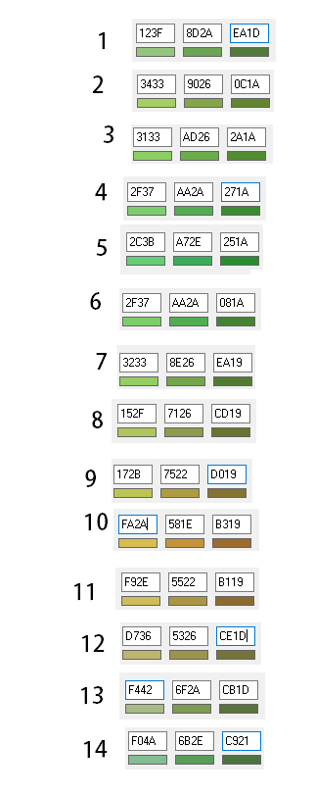

 |  |  |  |  |  | Pal 0 | Pal 1 | Pal 2
 |  |  |  | 1 | Spring | 14 | 1 | 2
 |  |  |  | 2 | Spring | 1 | 2 | 3
 |  |  |  | 3 | Spring | 2 | 3 | 4
 |  |  |  | 4 | Spring | 3 | 4 | 5
 |  |  |  | 5 | Summer | 4 | 5 | 6
 |  |  |  | 6 | Summer | 5 | 6 | 7
 |  |  |  | 7 | Summer | 6 | 7 | 8
 |  |  |  | 8 | Fall | 7 | 8 | 9
 |  |  |  | 9 | Fall | 8 | 9 | 10
 |  |  |  | 10 | Fall | 9 | 10 | 11
 |  |  |  | 11 | Fall | 10 | 11 | 12
 |  |  |  | 12 | Winter | 11 | 12 | 13
 |  |  |  | 13 | Winter | 12 | 13 | 14
 |  |  |  | 14 | Winter | 13 | 14 | 1

The New Weather System
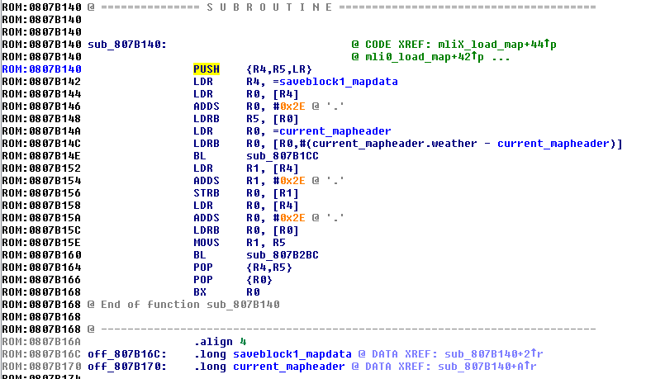
 | The weather byte on every map no longer controls the weather directly - it is edited to read from a table
 | It now functions as a "biome" setting. If it is set to 1, instead of the map weather being read as "1" it will be read somewhere else in the RAM, for example
 | The byte will indicate what biome the associated map is in (so 01 could be wet & windy, 02 could be temperate etc)
 | Waiting adds the amount of hours waited multiplied by 3 onto the timer for the weather number generator, looping back to 0 if the resulting byte equals 0x48 or above
 | Waiting also causes the weather number to be recalculated no matter how long the player waits, or if the weather should have been recalculated whilst waiting or not. The weather is recalculated after the time waited has been added to the main clock
 | Snow is recalculated independently of the main weather number generator routine after waiting - if the clock had to update the day byte after the time waited has been added, and the season is winter, snow will be recalculated

 | There is also an independent global variable at 0x0203C32E that is anywhere between 0 and 7. It begins at 4 at the start of the game
 | Every 4 hours in game, there is a 33% chance that the number will increase by 1, a 33% chance it will decrease by 1 and a 33% chance that it will stay the same
 | Another variable at 0203C32F is recalculated every 24 hours in game. If set to 2 or above, any rain that spawns in wet, seasonal or mountain biomes will be converted to snow (and thunderstorm to blizzard). This is the "snow day" byte
 | It is generated completely randomly. There is a 33% chance that it will be set to 0, 1 or 2 every time it is rerolled |  |  |  |  |  |  |  |  |  |  |  |  |  |  |  | VANILLA
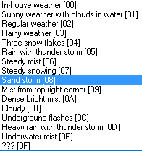
 | One final variable is set to 1 only on certain days (uses a lookup table) and only once the sun has completely set
 | This variable sets the weather in all biomes to fireworks until it is set back to 0

 | There is one other bit of code used to handle the dynamic weather - the modified map weather loading routine
 | Instead of loading the value straight from the map data, it first loads the pointer to a weather lookup table in the ROM and the season byte from the clock, then jumps to the beginning of the relevant season in the lookup table
 | The biome is read - if it is 0, regular weather is loaded straight away and the script ends
 | Then, the weather number is read and the script jumps again to a different point in the lookup table, at the start of the relevant weather number in the lookup table
 | The biome is read and the script jumps again - the byte it lands on is the relevant weather
 | The time of day is read and the stored byte is adjusted if applicable (this is where checks for sunny, aurora and fireworks happens)
 | The snow day variable is read and the stored byte is adjusted if applicable (this is where rain is turned into snow sometimes in winter)
 | The byte at the end of this process is what is used as the map's weather

 |  |  |  |  |  |  |  |  |  |  |  |  | Weather list:
 |  |  |  |  |  |  |  |  |  |  |  | DONE | 0 | Regular |  | Also used as indoor weather/no biome weather
 |  |  |  |  |  |  |  |  |  |  |  |  | 1 | Light Snow | NO HAIL IN BATTLE | Thinly spread snow
 |  |  |  |  |  |  |  |  |  |  |  | Hover | 2 | Aurora | Aurora in battle | No visual effect - uses day/night filter for visuals
 |  |  |  |  |  |  |  |  |  |  |  | DONE | 3 | Rain | Rain in battle
 |  |  |  |  |  |  |  |  |  |  |  | DONE | 4 | Snow | Hail in battle
 |  |  |  |  |  |  |  |  |  |  |  | DONE | 5 | Thunderstorm | Rain in battle
 |  |  |  |  |  |  |  |  |  |  |  |  | 6 | Unusable
 |  |  |  |  |  |  |  |  |  |  |  |  | 7 | Light Rain | Rain in battle | Small raindrops
 |  |  |  |  |  |  |  |  |  |  |  | DONE | 8 | Sandstorm | Sandstorm in battle
BIOME SETTING>>> |  | 0 | 1 | 2 | 3 | 4 | 5 | 6 | 7 | 8 | 9 |  | 9 | Unusable
 |  | No Biome | Wet | Seasonal | Mountain | Humid | Island | Rainforest | Peak | Desert | Dry Plains |  | A | Unusable
Spring | 0 | Regular | Thunderstorm | Rain | Rain | Thunderstorm | Thunderstorm | Thunderstorm | Blizzard | Sandstorm | Rain | DONE | B | Blizzard | Hail in battle | Sandstorm but white, screen darkening
 | 1 | Regular | Rain | Rain | Rain | Rain | Rain | Thunderstorm | Blizzard | Sandstorm | Rain | Hover | C | Sunny | Sun in battle
 | 2 | Regular | Rain | Overcast | Overcast | Rain | Rain | Rain | Snow | Sandstorm | Overcast |  | D | Unusable |  | USED TO SET WEATHER TO REGULAR USING CUSTOM BYTE
 | 3 | Regular | Overcast | Regular | Regular | Overcast | Overcast | Rain | Snow | Regular | Regular | DONE | E | Underwater |  | No mist effect
 | 4 | Regular | Regular | Regular | Regular | Regular | Regular | Overcast | Snow | Regular | Regular
 | 5 | Regular | Regular | Regular | Regular | Regular | Regular | Regular | Regular | Regular | Sunny
 | 6 | Regular | Regular | Regular | Sunny | Regular | Sunny | Regular | Regular | Sunny | Sunny |  |  |  |  |  |  | Week 8
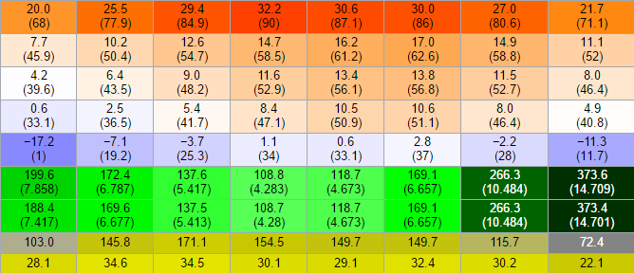
 | 7 | Regular | Sunny | Sunny | Sunny | Sunny | Sunny | Sunny | Sunny | Sunny | Sunny |  |  |  |  |  |  |  | Extreme hot
Summer | 0 | Regular | Rain | Rain | Rain | Rain | Rain | Thunderstorm | Blizzard | Sandstorm | Rain
 | 1 | Regular | Rain | Overcast | Overcast | Rain | Rain | Rain | Snow | Sandstorm | Overcast
 | 2 | Regular | Overcast | Regular | Regular | Overcast | Overcast | Rain | Snow | Regular | Regular
 | 3 | Regular | Regular | Regular | Regular | Regular | Regular | Overcast | Snow | Regular | Regular |  |  |  |  |  |  |  | Avg temp
 | 4 | Regular | Regular | Regular | Regular | Regular | Regular | Regular | Regular | Regular | Sunny
 | 5 | Regular | Regular | Regular | Sunny | Regular | Sunny | Regular | Regular | Sunny | Sunny
 | 6 | Regular | Sunny | Sunny | Sunny | Sunny | Sunny | Sunny | Sunny | Sunny | Sunny
 | 7 | Regular | Sunny | Sunny | Sunny | Sunny | Sunny | Sunny | Sunny | Sunny | Sunny |  |  |  |  |  |  |  | Extreme cold
Fall | 0 | Regular | Thunderstorm | Rain | Rain | Thunderstorm | Thunderstorm | Thunderstorm | Blizzard | Sandstorm | Rain
 | 1 | Regular | Rain | Rain | Rain | Rain | Rain | Thunderstorm | Blizzard | Sandstorm | Rain |  |  |  |  |  |  |  | Precipitation
 | 2 | Regular | Rain | Overcast | Overcast | Rain | Rain | Rain | Snow | Sandstorm | Overcast
 | 3 | Regular | Overcast | Regular | Regular | Overcast | Overcast | Rain | Snow | Regular | Regular
 | 4 | Regular | Regular | Regular | Regular | Regular | Regular | Overcast | Snow | Regular | Regular |  |  |  |  |  |  |  | Sunlight hours
 | 5 | Regular | Regular | Regular | Regular | Regular | Regular | Regular | Regular | Regular | Sunny
 | 6 | Regular | Regular | Regular | Sunny | Regular | Sunny | Regular | Regular | Sunny | Sunny |  |  |  |  |  | General weather guide
 | 7 | Regular | Sunny | Sunny | Sunny | Sunny | Sunny | Sunny | Sunny | Sunny | Sunny
Winter | 0 | Regular | Thunderstorm | Thunderstorm | Thunderstorm | Thunderstorm | Thunderstorm | Thunderstorm | Blizzard | Sandstorm | Thunderstorm
 | 1 | Regular | Thunderstorm | Rain | Rain | Thunderstorm | Thunderstorm | Thunderstorm | Blizzard | Sandstorm | Rain
 | 2 | Regular | Rain | Rain | Rain | Rain | Rain | Thunderstorm | Blizzard | Sandstorm | Rain
 | 3 | Regular | Rain | Overcast | Overcast | Rain | Rain | Rain | Snow | Sandstorm | Overcast
 | 4 | Regular | Overcast | Regular | Regular | Overcast | Overcast | Rain | Snow | Regular | Regular
 | 5 | Regular | Regular | Regular | Regular | Regular | Regular | Overcast | Snow | Regular | Regular
 | 6 | Regular | Regular | Regular | Regular | Regular | Regular | Regular | Regular | Regular | Sunny
 | 7 | Regular | Regular | Regular | Sunny | Regular | Sunny | Regular | Regular | Sunny | Sunny

IMPLEMENTATION
All weather is loaded from the map data at 0x0807B14A which loads the current map header to r0, followed by the weather byte of the map itself
Whatever byte is loaded using LDRB into r0 at 0x0807B14C will be set as the current weather IN EVERY MAP the player visits. Overwriting from 0x0807B14A with 03 20 C0 46 will make it rain everywhere, for example, as it loads the byte for rainy weather straight into r0
By hooking from 0x0807B144 it is possible to expand the weather loading system

Tilesets
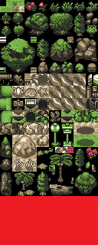
 |  | Col 0 | Col 1 | Col 2 | Col 3 | Col 4 | Col 5 | Col 6 | Col 7 | Col 8 | Col 9 | Col 10 | Col 11 | Col 12 | Col 13 | Col 14 | Col 15
 | Pal 0 | Transp. | Black | White | Grass |  |  | Trees Type 1 |  |  | Rock Type 1 |  |  | Black Rock Cave |  |  | Dark Grass
 | Pal 1 | Transp. | Black | White | Grass |  |  | Trees Type 2 |  |  | Rock Type 2 |  |  | Deep Rock Cave |  |  | Dark Grass
 | Pal 2 | Transp. | Black | White | Grass |  |  | Evergreen |  |  | Rock Type 3 |  |  | Crystal Cave |  |  | Dark Grass
 | Pal 3 | Transp. | Black | White | Dead Grass |  |  | Concrete |  |  | Shoreline |  |  | Sandy Cave |  |  | Dark Dead Grass
 | Pal 4 | Transp. | Black | White | White Sand |  |  | Ice & Snow |  |  | Water 1 |  |  | Icy Cave |  |  | Dark White Sand
 | Pal 5 | Transp. | Black | White | Sand |  |  | Pathway 1 |  |  | Water 2 |  |  | Mossy Cave |  |  | Dark Sand
 | Pal 6 | Transp. | Black | White | Sunbaked Sand |  |  | Pathway 2 |  |  | Water 3 |  |  | Watery Cave |  |  | Dark Sunbaked Sand
 | Pal 7 | Transp. | Unusable
 | Pal 8 | Transp. | Black | White | Building 1 |  |  | Building 2 |  |  | Water 4 |  |  | Roof 1 |  | Roof 2
 | Pal 9 | Transp. | Black | White | Building 3 |  |  | Building 4 |  |  | Water 5 |  |  | Roof 3 |  | Roof 4
 | Pal 10 | Transp. | Black | White | Building 5 |  |  | Building 6 |  |  | Cave Water Type 1 |  |  | Roof 5 |  | Roof 6
 | Pal 11 | Transp. | Black | White | Flower Stem | Mushroom Stalk | Colour 1 |  | Colour 2 |  | Cave Water Type 2 |  |  | Colour 3 |  | Colour 4
 | Pal 12 | Transp. | Black | White | Concrete |  |  | Concrete Lights |  |  | Wood |  |  | Wooden Lights

TO ADD:
Waterfall (3 tiles, top of waterfall, main fall and foam at bottom)
Waterfall features (3 tiles)
Hill Wall features (12 tiles, flowers & vines to layer over walls etc)
Sideways cave entrances

